Sheet1
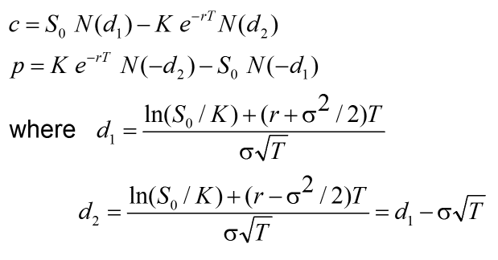

Inputs
Underlying Price | S | ฿39.00
Strike Price | K | ฿40.00
Time to Expiration | T | 2
Risk Free Rate | r | 0.1
Volatility | σ | 0.3

Calculations
d1 | 0.6239
d2 | 0.1996
Call (c) | ฿9.65
Put (p) | ฿3.40

